Inputs
Inputs

 | NaaS Customers: | Option
 | MNO | YES
 | Full MVNO | YES
 | Light MVNO | NO
 | Brand Sellers | NO
 |  |  | Go to tab: | Full EPC-PCC deployment
 | Service to Offer: | Option
 | Data | YES
 | Voice | YES_VOICE
 | Roaming | NO
It is assumed that if the NaaS operator owns a 3G core it always owns the 3G RAN as well. For this reason in the final wizard version, if E15==YES, disable E18 ,E19 so that the user doesn't get confused.
 | Does the NaaS operator own a 3G core? | NO_3G_Core
 | Is the NaaS operator looking for a unified 3G/LTE core? | NA_NO_3G_CORE
 | What are the SGSN and GGSN capabilities? | NA
 | Does the NaaS operator own a 3G access network? | NO_3G_RAN
 | SGSN EPC-enabled capabilities? | NO_SGSN_EPC

 | Interconnection Details: | Option
 | Network Size | SMALL
 | Number of external connections | ONE_OR_TWO
 | Is the connection MPLS-based? | NO

EPC minimum deployment
EPC minimum deployment

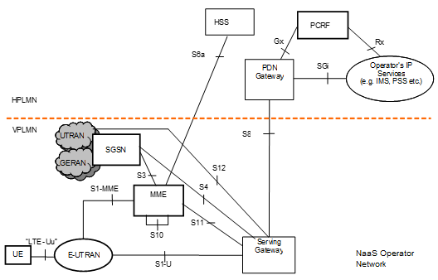

Architecture Description
● EPC elements to be deployed: - MME - SGW
● This architecture will enable the NaaS operator to control the mobility and sessions within the E-UTRAN.
● Minimize inversion but get full control of the RAN to serve MNOs and the full-MVNO market
● Using a home-routed roaming strategy, NaaS operator can rent its access network to those customers who want to expand its geographical coverage.
● IGP recommended protocol: Distance vector protocol.
● Recommended routing between autonomous systems: Static Routes.

High Availability Recommendation:
● Hardware: - Server: Hot swap devices, hot plug PCIe and NEBS certification - Storage: Hot swap devices, RAID or replication mechanisms and NEBS certification - Netwoking: Bonding and redundant NICs ● Application: - N+1 Redundancy, Active/Active schema
NFV architecture
● Elements to be deployed: - NFVI - VIM - VNFM
● Virtualization Technology: Hypervisor-based
● VNFs types to be deployed: - Control plane VNF: MME, SGW-C - Data plane VNF: SGW-U

NewEPCbyGN
Introducing new EPC nodes and interworking with legacy PS by Gn/Gp Interfaces

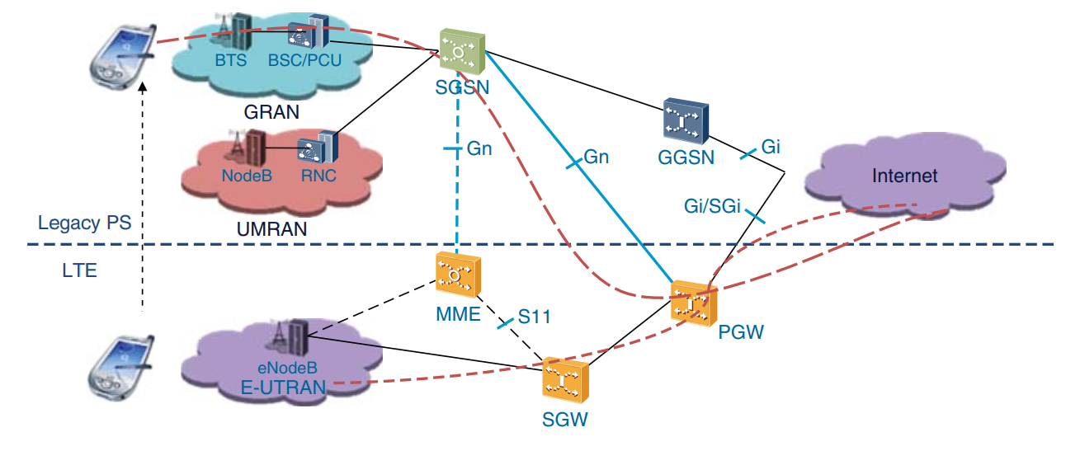

Architecture Description
● EPC elements to be deployed: - MME - SGW - PGW - HSS
● PCC elements to be deployed: - PCRF - PCEF - SPR
- OFCS
● This deployment will enable the NaaS operator to support provisioning, monitoring, control and charging of IP data services.
● Provide services to MNOs and all the types of MVNOs.
● In this solution there is no impact on legacy or roaming networks, since no additional changes are needed on the network elements.
● NaaS operator can use a home-routed or local-breakout roaming strategy as it best suits its customers, in order to rent its access network to those customers that want to expand its geographical coverage.
● Deployment strategy: CUPS EPC: Achieves enhanced performance for content-rich multi-media services, flexible deployment of separated user and data plane functions, geographical extension optimization.
● Voice Strategy: - VoIP on LTE + CSFB: Transmission of voice and multimedia content over Internet Protocol (IP) networks. The LTE handset falls back to 3G or 2G to establish a traditional circuit switching connection.
● IGP recommended protocol: Distance vector protocol.
● Recommended routing between autonomous systems: Static Routes.

High Availability Recommendation:
● Hardware: - Server: Hot swap devices, hot plug PCIe and NEBS certification - Storage: Hot swap devices, RAID or replication mechanisms and NEBS certification - Netwoking: Bonding and redundant NICs ● Application: - N+1 Redundancy, Active/Active schema
NFV architecture
● Elements to be deployed: - NFVI - VIM - VNFM
● Virtualization Technology: Hypervisor-based
● VNFs types to be deployed: - Control plane VNF: MME, SGW-C, PGW-C, PCRF, PCEF - Data plane VNF: SGW-U, PGW-S - Data base VNF: HSS, Billing Node

NewEPCbyS3
Introducing new EPC nodes and interworking with legacy PS by S3/S4 interfaces

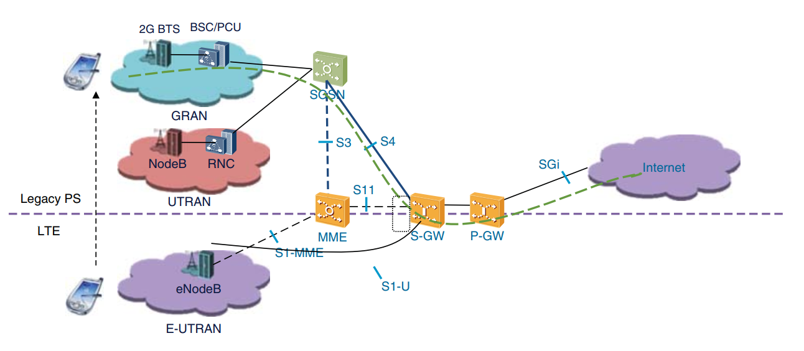

Architecture Description
● EPC elements to be deployed: - MME - SGW - PGW - HSS
● PCC elements to be deployed: - PCRF - PCEF - SPR
- OFCS
● This deployment will enable the NaaS operator to support provisioning, monitoring, control and charging of IP data services.
● Provide services to MNOs and all the types of MVNOs.
● When deploying this architecture the NaaS operator will get all the benefits of the S3/S4 LTE-enhanced interfaces by the use of GTPv2 protocol, which among its optimization for LTE it includes reduction of excessive signaling (idle mode signaling reduction) or dual stack bearer support. However, this will be reflected in a bigger inversion.
● NaaS operator can use a home-routed or local-breakout roaming strategy as it best suits its customers, in order to rent its access network to those customers that want to expand its geographical coverage.
● Deployment strategy: CUPS EPC: Achieves enhanced performance for content-rich multi-media services, flexible deployment of separated user and data plane functions, geographical extension optimization.
● Voice Strategy: - VoIP on LTE + CSFB: Transmission of voice and multimedia content over Internet Protocol (IP) networks. The LTE handset falls back to 3G or 2G to establish a traditional circuit switching connection.
● IGP recommended protocol: Distance vector protocol.
● Recommended routing between autonomous systems: Static Routes.

High Availability Recommendation:
● Hardware: - Server: Hot swap devices, hot plug PCIe and NEBS certification - Storage: Hot swap devices, RAID or replication mechanisms and NEBS certification - Netwoking: Bonding and redundant NICs ● Application: - N+1 Redundancy, Active/Active schema
NFV architecture
● Elements to be deployed: - NFVI - VIM - VNFM
● Virtualization Technology: Hypervisor-based
● VNFs types to be deployed: - Control plane VNF: MME, SGW-C, PGW-C, PCRF, PCEF - Data plane VNF: SGW-U, PGW-S - Data base VNF: HSS, Billing Node

NewEPCbyUpgrade
Upgrading the existing PS core to support 2G/3G/LTE

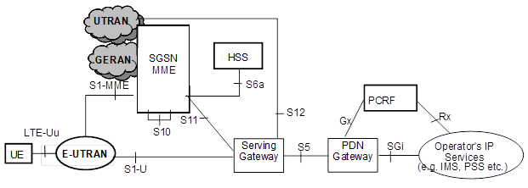

Architecture Description
● EPC elements to be deployed: - MME/SGSN - SGW - PGW - HSS
● PCC elements to be deployed: - PCRF - PCEF - SPR
- OFCS
● This deployment will enable the NaaS operator to support provisioning, monitoring, control and charging of IP data services.
● Provide services to MNOs and all the types of MVNOs.
● The SGSN will be upgraded to support the functionality of the SGSN and MME and the GGSN will be upgraded to support the functionality of the GGSN/SGW/PGW . This is a major HW/SW upgrade and may lead to serious impact on existing customers and will lead to full outage to the PS network.
● NaaS operator can use a home-routed or local-breakout roaming strategy as it best suits its customers, in order to rent its access network to those customers that want to expand its geographical coverage.
● Deployment strategy: CUPS EPC: Achieves enhanced performance for content-rich multi-media services, flexible deployment of separated user and data plane functions, geographical extension optimization.
● Voice Strategy: - VoIP on LTE + CSFB: Transmission of voice and multimedia content over Internet Protocol (IP) networks. The LTE handset falls back to 3G or 2G to establish a traditional circuit switching connection.
● IGP recommended protocol: Distance vector protocol.
● Recommended routing between autonomous systems: Static Routes.

High Availability Recommendation:
● Hardware: - Server: Hot swap devices, hot plug PCIe and NEBS certification - Storage: Hot swap devices, RAID or replication mechanisms and NEBS certification - Netwoking: Bonding and redundant NICs ● Application: - N+1 Redundancy, Active/Active schema
NFV architecture
● Elements to be deployed: - NFVI - VIM - VNFM
● Virtualization Technology: Hypervisor-based
● VNFs types to be deployed: - Control plane VNF: MME/SGSN, SGW-C, PGW-C, PCRF, PCEF - Data plane VNF: SGW-U, PGW-S - Data base VNF: HSS, Billing Node

NewEPCDepIndep
New EPC deployment independent of the current 3G core

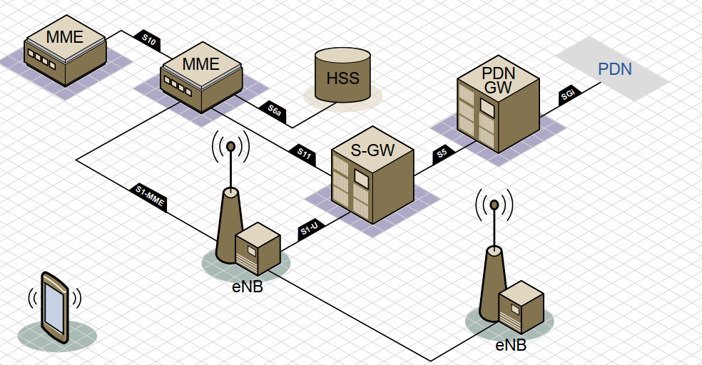

Architecture Description
● EPC elements to be deployed: - MME - SGW - PGW - HSS
● PCC elements to be deployed: - PCRF - PCEF - SPR
- OFCS
● This deployment will enable the NaaS operator to support provisioning, monitoring, control and charging of IP data services. It is not recommended to deploy independent LTE and 3G cores, it will complicate operations, and results in a bigger inversion compared to an unified LTE-3G core.
● Provide services to MNOs and all the types of MVNOs.
● NaaS operator can use a home-routed or local-breakout roaming strategy as it best suits its customers, in order to rent its access network to those customers that want to expand its geographical coverage.
● Deployment strategy: CUPS EPC: Achieves enhanced performance for content-rich multi-media services, flexible deployment of separated user and data plane functions, geographical extension optimization.
● Voice Strategy: - VoIP on LTE + CSFB: Transmission of voice and multimedia content over Internet Protocol (IP) networks. The LTE handset falls back to 3G or 2G to establish a traditional circuit switching connection.
● IGP recommended protocol: Distance vector protocol.
● Recommended routing between autonomous systems: Static Routes.

High Availability Recommendation:
● Hardware: - Server: Hot swap devices, hot plug PCIe and NEBS certification - Storage: Hot swap devices, RAID or replication mechanisms and NEBS certification - Netwoking: Bonding and redundant NICs ● Application: - N+1 Redundancy, Active/Active schema
NFV architecture
● Elements to be deployed: - NFVI - VIM - VNFM
● Virtualization Technology: Hypervisor-based
● VNFs types to be deployed: - Control plane VNF: MME, SGW-C, PGW-C, PCRF, PCEF - Data plane VNF: SGW-U, PGW-S - Data base VNF: HSS, Billing Node

3GAccessSGSN-EPC
3G Access via SGSN EPC-enabled

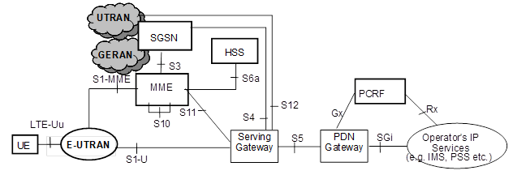

Architecture Description
● EPC elements to be deployed: - MME - SGW - PGW - HSS
● PCC elements to be deployed: - PCRF - PCEF - SPR
- OFCS
● This deployment will enable the NaaS operator to support provisioning, monitoring, control and charging of IP data services.
● Provide services to MNOs and all the types of MVNOs.
● When deploying this architecture the NaaS operator will get all the benefits of the S3/S4 LTE-enhanced interfaces by the use of GTPv2 protocol, which among its optimization for LTE it includes reduction of excessive signaling (idle mode signaling reduction) or dual stack bearer support. However, this will be reflected in a bigger inversion.
● NaaS operator can use a home-routed or local-breakout roaming strategy as it best suits its customers, in order to rent its access network to those customers that want to expand its geographical coverage.
● Deployment strategy: CUPS EPC: Achieves enhanced performance for content-rich multi-media services, flexible deployment of separated user and data plane functions, geographical extension optimization.
● Voice Strategy: - VoIP on LTE + CSFB: Transmission of voice and multimedia content over Internet Protocol (IP) networks. The LTE handset falls back to 3G or 2G to establish a traditional circuit switching connection.
● IGP recommended protocol: Distance vector protocol.
● Recommended routing between autonomous systems: Static Routes.

High Availability Recommendation:
● Hardware: - Server: Hot swap devices, hot plug PCIe and NEBS certification - Storage: Hot swap devices, RAID or replication mechanisms and NEBS certification - Netwoking: Bonding and redundant NICs ● Application: - N+1 Redundancy, Active/Active schema
NFV architecture
● Elements to be deployed: - NFVI - VIM - VNFM
● Virtualization Technology: Hypervisor-based
● VNFs types to be deployed: - Control plane VNF: MME, SGW-C, PGW-C, PCRF, PCEF - Data plane VNF: SGW-U, PGW-S - Data base VNF: HSS, Billing Node

